Sheet1
This spreadsheet will help us to compile pipeline information about the processing strategies you use in your research. On top of the options chosen for the eDNA Data Analysis Challenge, please let us know what are the pipline options you usually apply in your work. For instance, what are your normalization methods, taxonomy assignment databases and diversity metrics. This is a template filled in with some example commands and parameters - Please remove our examples and fill it in the information for your pipeline.

Name | Hanneloor Heynderickx
Institute | VLIZ

 | Qualtity control and preprocessing |  |  |  |  |  |  |  |  |  |  | ASV inference/OTU clustering |  |  |  | Taxonomic assignment
pipeline | Filter and trim | parameters | Error Rates | parameters | Merge paired reads | parameters | Construct sequence table | parameters | Remove chimeras | parameters | NOTES | ASV/OTU | Sample Inference | parameters | NOTES | Assign taxonomy | parameters | Usual reference database | Use of phyloseq | NOTES
DADA2 | filterAndTrim() | minLen=150, maxN=0, maxEE=c(3,3), truncQ=2 | learnErrors() | randomize=TRUE, multithread=TRUE | mergePairs() | maxMismatch=0 | makeSequenceTable() |  | removeBimeraDenovo() | method="consensus" | Merging, seq table, chimera removal happens after ASV inference | ASV | DADA2 algorithm - dada() | error model trained with learnErrors() |  | naive Bayesian classifier method - assignTaxonomy() | minBoot=60 | PR2 | YES
PEMA | Trimmomatic | targetlen 100, strictness 0.8, seedMismatches 0, palindromeClipThreshold 20, simpleClipThreshold 30, leading 20, trailing 2, minlen 100 | BayesHammer |  | PANDASeq | pandaseqAlgorithm simple_bayesian, threshold 0.6 | OBITools |  | UCHIME | abskew 2 |  | OTU | VSEARCH OTU clustering | vsearchId 0.95 |  | CREST LCAClassifier (alignment based approach) | referenceDb pr2 | SILVA | YES

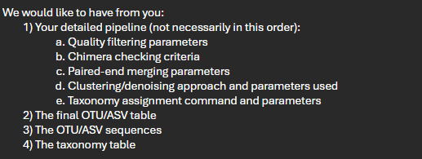
Data normalisation |  |  |  | Analyses you would normally do |  |  |  | Use this space to copy-paste your commands and parameters used or, if you prefer, send us your script for analysing the datasets.
Rarefying | Other Normalisation |  | NOTES | Alpha diversity metric |  | Beta diversity
Yes | Proportions |  |  | Shannon, pielou, chao1 |  | nmds, dbRDA

